PRD
Product Requirement Document (PRD) - Version: 1.0

Template Name |  | Exercise dashboard
Goals & Objective |  | From this dashboard the user will be able to click and go to several pages containing different exercise manual . The user will also be able to listen to music using music icon and track their exercise time. from the website the user will be able to : -Visit exercise manual -visit music page -recieve notification -recieve daily motivation quote -track their heartbeat -track calory burn
Client Information
Product Type |  | Web Application
Domain |  | Web2
Access Layers |  | User, Trainer
Design Required |  | Yes

Phase | Item No | Specification [Role] | Screen Definition | User Story | Acceptance Criteria | UI Screen / Wireframe | Tags
Feature: 1 |  | Auth Feature
phase 1 | 1 | Exercise Manual tab | -fitness tab reads -run rate -total exercise hour -notification -page navigation <image> <icon> <css file> <div> | - User clicks the exercise page which redirects to a page with different exercise option -User choose one exercise and click which will redirect to a specific exercise page -User clicks clock icon to mesure time of their exrcise -user clicks spotify icon which will redirect him/her to spotify dashboard -user connects their fitness device to track real time data(steps,heart rate) | -The clickable button must redirect to page of specific exercise -the timer button must start to track time and show the total time of eercise after clicking stop -the spotify icon must redirect to spotify dashboard in any browser or real time application -system must track realtime heartbeat,walking steps | 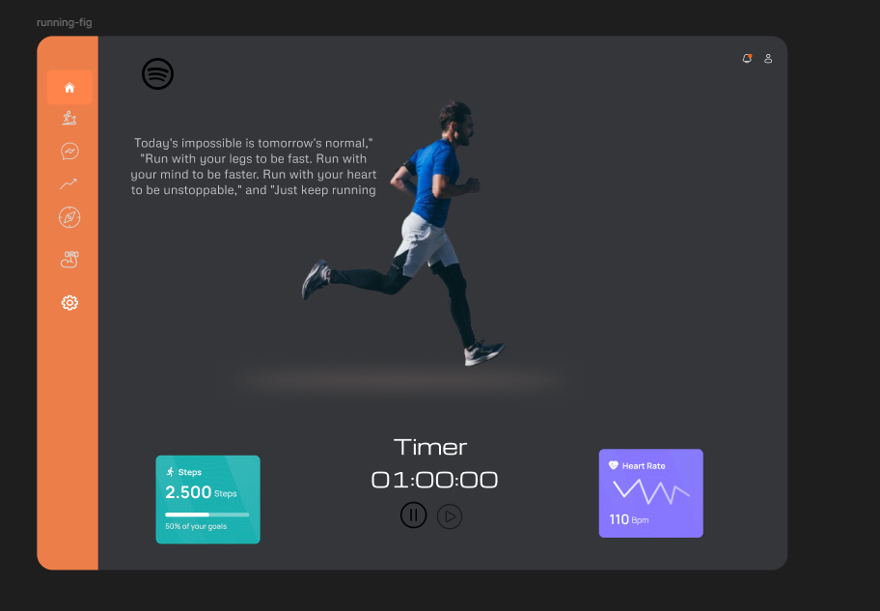 | exercise dashboard

